Cover Page
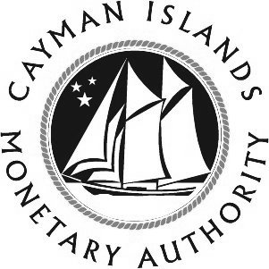
 |  |  |  | Form SIBL(AD)
 |  |  |  | v1.5

THE CAYMAN ISLANDS MONETARY AUTHORITY
P.O. Box 10052, Elizabethan Square, Grand Cayman KY1-1001, Cayman Islands
Tel: 345-949-7089, Fax 345-949-2532

THE SECURITIES INVESTMENT BUSINESS LAW (2011 REVISION) (“SIBL”)
PART III, SECTION 5(2) AND SCHEDULE 4
ANNUAL DECLARATION FORM
for
EXCLUDED PERSONS
 |  | As at:
 |  |  | (DAY / MONTH / YEAR as digits)

NOTES:

1 | This declaration is to be submitted annually to the Authority by 31 January each year, along with the prescribed annual registration fee. Cheques should be made payable to “Cayman Islands Monetary Authority”.
2 | This declaration must be signed by a director or partner.
3 | Please note that excluded persons under Schedule 4 are subject to the Money Laundering Regulations and section 17(2)(v) of SIBL.
4 | Electronic filing of the form will be accepted on the basis that original forms will be forwarded within one month.
5 | When submitting the form please advise who will be responsible for dealing with queries and the payment of annual fees.
6 | The completed Form SIBL(AD), together with the prescribed registration fee, should be submitted to:

THE MANAGING DIRECTOR
CAYMAN ISLANDS MONETARY AUTHORITY
P.O. BOX 10052
GRAND CAYMAN KY1-1001
CAYMAN ISLANDS

