Index Page
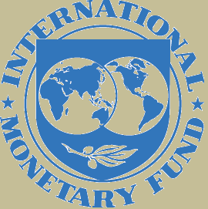
Declaring country | Cayman Islands
Year | 2024S2 | As of end-December 2024
Currency | US Dollars
Scale | Million

 |  |  | v1.0

