Index Page
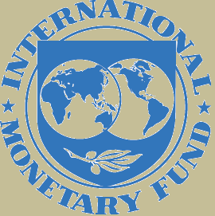
Declaring country | Cayman Islands
Year | 2025S1 | As of end-June 2025
Currency | US Dollars
Scale | Millions

 |  |  | v1.0

