Index Page
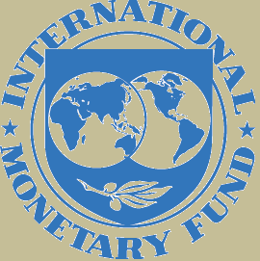
Declaring country | Cayman Islands
Year | 2018S1 | As of end-June 2018
Currency | US Dollars
Scale | Million

 |  |  | v1.0

